TERMS & CONDITION
MANVI INTERNATIONAL COURIER

GST applicable on all above extra charges. |  |  | SELF EXTRA CHARGES
S.NO | SECTOR | SERVICE | OVERSIZE (ACT. WT.) | OVERSIZE (DIMENSION WEIGHT// IF LONGER SIDE EXCEED 90CM ++) | REMOTE AREA CHARGES | ADDRESS CORRECTION CHARGES | CURRENCY
1 | UK | DPD | 25 GBP PER PC (ABOVE 30 KG) | LENGTH GREATER THAN 90CM LENGTH, WIDTH GREATER THAN 70 CM & HEIGHT GREATER THAN 60 CM CHARGES WILL BE BILLED 35 GBP | 20 GBP PER PC | 15 GBP | GBP
 | UK | FEDEX | 15 GBP PER PC (ABOVE 25KG) | 90 GBP PER PC | UPTO 50 KG 35 GBP & 51++ KG 0.69 GBP PER KG | 15 GBP | GBP

2 | EUROPE | DPD | 45 EURO PER PC (ABOVE 30 KG) | 90 EURO PER PC | 35 EURO PER PC | 15 EURO PER PC | EURO

3 | AUSTRALIA | CP | 1500 INR PER PC (ABOVE 20 KG) | 1500 INR PER PC | REMOTE AREA NOT ACCEPTED | 1500 PER PC | INR

4 | CANADA | UPS | 1500 INR PER PC (ABOVE 20 KG) | 5000 INR PER PC | 100 CAD PER PC | 22.75 CAD PER PC | (REMOTE AREA CHARGES & ADDRESS CORRECTION IN CAD DOLLAR )

5 | JFK | FEDEX | 2900 INR PER PC (ABOVE 30KG) | 5000 INR PER PC | REMOTE AREA NOT ACCEPTED | 1500 INR PER PC | INR
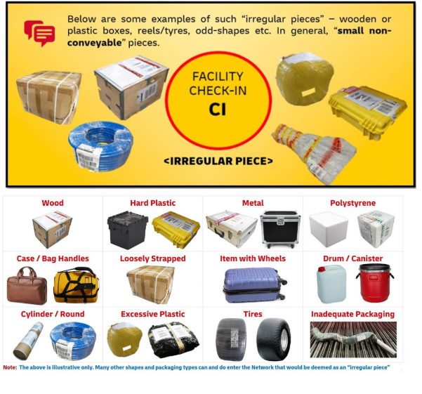

DHL | During check-in or re-weigh at DHL booking facilities, when the checkpoint remark Irregular Piece is applied
 | Even if dimensions and weight are within standard limits, the shape/ packaging can trigger IRR
 | Charge Rs. 1900/- per piece (Fuel Surcharge & GST applicable)- Billed to the shipper

TERMS AND CONDITIONS

1 | Late Delivery
 | No claim will be accepted for delayed or late delivery of shipments.

2 | Damaged or Missing Items
 | No claim will be entertained for damaged shipments or missing items.
 | Example: If even one item is missing from a box, no claim will be processed for that shipment.

3 | No Claim Policy for Short / Late Delivery / Spoilage
 | No claims will be accepted for short delivery, late delivery, or spoilage of goods under any circumstances.

4 | Lost Shipment Liability
 | In case of a lost shipment, MIC’s liability shall be limited to USD 100 or the declared value of the shipment at the time of booking, whichever is lower.
 | No additional compensation shall be applicable.

5 | Packing Charges
 | Repacking charges: ₹200 per box.

DHL RATES
 | MANVI INTERNATIONAL COURIER
 |  |  |  |  | DHL RATES

 |  |  | ALL RATES ARE IN INR
 |  | WEIGHT | Zone 1 | Zone 2 | Zone 3 | Zone 4 | Zone 5 | Zone 6 | Zone 7 | Zone 8 | Zone 9 | Zone 10 | Zone 11 | Zone 12 | Zone 13 | Zone 14
 | DOCUMENTS | 0.5 | 1949 | 1848 | 2256 | 2015 | 2786 | 2932 | 2392 | 4297 | 2569 | 4008 | 4811 | 2562 | 3935 | 2560
 | DOCUMENTS | 1.0 | 2453 | 2440 | 2682 | 2449 | 3432 | 3521 | 2791 | 5582 | 2983 | 5253 | 6273 | 2942 | 4752 | 3162
 | DOCUMENTS | 1.5 | 2875 | 2899 | 3259 | 2871 | 4055 | 4131 | 3225 | 6889 | 3239 | 5900 | 7159 | 3301 | 5671 | 3778
 | DOCUMENTS | 2.0 | 3256 | 3318 | 3796 | 3252 | 4639 | 4710 | 3626 | 8168 | 3638 | 6511 | 8006 | 3622 | 6555 | 4360

 | PAK/BOX | 0.5 | 2015 | 2002 | 2256 | 2134 | 2646 | 2932 | 2408 | 5362 | 2642 | 4024 | 5416 | 2608 | 4472 | 2699
 | PAK/BOX | 1.0 | 2449 | 2417 | 2762 | 2419 | 3283 | 3521 | 2805 | 6858 | 3025 | 5251 | 6273 | 2958 | 5573 | 2821
 | PAK/BOX | 1.5 | 2917 | 2914 | 3299 | 2738 | 3943 | 4131 | 3243 | 8375 | 3369 | 5897 | 7159 | 3321 | 6491 | 3395
 | PAK/BOX | 2.0 | 3350 | 3366 | 3800 | 3018 | 4564 | 4710 | 3642 | 9859 | 3787 | 6511 | 8006 | 3643 | 7375 | 3914
 | PAK/BOX | 2.5 | 3887 | 3864 | 4117 | 3333 | 4799 | 5326 | 4078 | 11383 | 4255 | 7162 | 8892 | 4120 | 8293 | 4488
 | PAK/BOX | 3.0 | 4231 | 4237 | 4580 | 3760 | 5216 | 5798 | 4605 | 12937 | 4710 | 7796 | 9275 | 4553 | 9115 | 4919
 | PAK/BOX | 3.5 | 4610 | 4644 | 5078 | 4223 | 5668 | 6305 | 5167 | 14527 | 5199 | 8465 | 9693 | 5021 | 9972 | 5386
 | PAK/BOX | 4.0 | 4954 | 5017 | 5541 | 4650 | 6085 | 6777 | 5694 | 16082 | 5653 | 9098 | 10076 | 5454 | 10795 | 5817
 | PAK/BOX | 4.5 | 5334 | 5424 | 6039 | 5113 | 6537 | 7284 | 6256 | 17671 | 6142 | 9767 | 10494 | 5922 | 11652 | 6283
 | PAK/BOX | 5.0 | 5678 | 5797 | 6502 | 5541 | 6954 | 7756 | 6783 | 19226 | 6597 | 10401 | 10878 | 6355 | 12474 | 6714

 | PER KG | 6.000 KGS | 1205 | 1234 | 1349 | 1080 | 1346 | 1455 | 1207 | 3682 | 1205 | 2975 | 2929 | 1160 | 2321 | 1251
 | PER KG | 7.000 KGS | 1255 | 1286 | 1383 | 1059 | 1313 | 1388 | 1109 | 3567 | 1122 | 3612 | 3467 | 1077 | 2197 | 1185
 | PER KG | 8.000 KGS | 1292 | 1324 | 1408 | 1042 | 1289 | 1338 | 1036 | 3480 | 1059 | 4090 | 3872 | 1016 | 2104 | 1136
 | PER KG | 9.000 KGS | 1321 | 1354 | 1428 | 1030 | 1270 | 1299 | 979 | 3412 | 1010 | 4462 | 4186 | 968 | 2031 | 1098
 | PER KG | 10.000 KGS | 1344 | 1378 | 1444 | 1020 | 1255 | 1268 | 934 | 3358 | 971 | 4759 | 4437 | 929 | 1973 | 1067
 | PER KG | 11.000 KGS | 1317 | 1329 | 1361 | 1014 | 1221 | 1267 | 922 | 3120 | 963 | 4376 | 4101 | 928 | 1889 | 1046
 | PER KG | 12.000 KGS | 1294 | 1289 | 1292 | 1009 | 1193 | 1267 | 912 | 2922 | 955 | 4057 | 3821 | 927 | 1819 | 1028
 | PER KG | 13.000 KGS | 1275 | 1254 | 1233 | 1005 | 1169 | 1267 | 903 | 2755 | 949 | 3787 | 3584 | 926 | 1760 | 1013
 | PER KG | 14.000 KGS | 1259 | 1225 | 1183 | 1002 | 1148 | 1266 | 896 | 2611 | 944 | 3555 | 3381 | 925 | 1709 | 1000
 | PER KG | 15.000 KGS | 1245 | 1199 | 1140 | 999 | 1131 | 1266 | 890 | 2487 | 939 | 3355 | 3205 | 925 | 1666 | 989
 | PER KG | 16.000 KGS | 1232 | 1177 | 1102 | 996 | 1115 | 1266 | 884 | 2378 | 935 | 3179 | 3051 | 924 | 1627 | 979
 | PER KG | 17.000 KGS | 1221 | 1157 | 1068 | 994 | 1102 | 1266 | 879 | 2282 | 932 | 3024 | 2915 | 924 | 1593 | 971
 | PER KG | 18.000 KGS | 1212 | 1139 | 1038 | 992 | 1089 | 1266 | 875 | 2196 | 929 | 2886 | 2794 | 923 | 1563 | 963
 | PER KG | 19.000 KGS | 1203 | 1124 | 1012 | 990 | 1079 | 1266 | 871 | 2120 | 926 | 2763 | 2686 | 923 | 1536 | 956
 | PER KG | 20.000 KGS | 1195 | 1109 | 987 | 989 | 1069 | 1266 | 867 | 2051 | 924 | 2652 | 2589 | 922 | 1512 | 950
 | PER KG | 21.000 KGS | 1165 | 1095 | 988 | 966 | 1053 | 1232 | 855 | 2143 | 924 | 2718 | 2663 | 922 | 1522 | 947
 | PER KG | 22.000 KGS | 1138 | 1082 | 988 | 944 | 1038 | 1201 | 844 | 2226 | 924 | 2777 | 2730 | 922 | 1532 | 945
 | PER KG | 23.000 KGS | 1112 | 1071 | 988 | 925 | 1025 | 1173 | 834 | 2303 | 925 | 2832 | 2791 | 922 | 1541 | 943
 | PER KG | 24.000 KGS | 1090 | 1060 | 988 | 907 | 1013 | 1148 | 824 | 2373 | 925 | 2881 | 2847 | 922 | 1549 | 941
 | PER KG | 25.000 KGS | 1068 | 1050 | 989 | 891 | 1002 | 1124 | 816 | 2437 | 925 | 2927 | 2899 | 922 | 1557 | 939
 | PER KG | 26.000 KGS | 1049 | 1041 | 989 | 876 | 991 | 1102 | 808 | 2496 | 926 | 2969 | 2946 | 922 | 1564 | 937
 | PER KG | 27.000 KGS | 1031 | 1033 | 989 | 862 | 982 | 1082 | 801 | 2551 | 926 | 3009 | 2990 | 922 | 1570 | 935
 | PER KG | 28.000 KGS | 1014 | 1025 | 989 | 849 | 973 | 1063 | 794 | 2602 | 926 | 3045 | 3031 | 922 | 1576 | 934
 | PER KG | 29.000 KGS | 998 | 1018 | 989 | 837 | 965 | 1046 | 787 | 2650 | 926 | 3079 | 3069 | 922 | 1582 | 933
 | PER KG | 30.000 KGS | 984 | 1011 | 989 | 826 | 957 | 1030 | 781 | 2694 | 927 | 3110 | 3105 | 922 | 1587 | 931

 | PER KG | 31 - 50 KGS | 879 | 879 | 975 | 808 | 1176 | 1006 | 794 | 2563 | 936 | 1598 | 1598 | 903 | 1427 | 933
 | PER KG | 51 - 70 KGS | 824 | 894 | 894 | 812 | 1027 | 1006 | 735 | 1224 | 936 | 1598 | 1598 | 894 | 1427 | 933
 | PER KG | 71 - 100 KGS | 782 | 824 | 824 | 808 | 979 | 990 | 606 | 1114 | 895 | 1598 | 1598 | 853 | 1347 | 890
 | PER KG | 101 - 300 KGS | 718 | 718 | 718 | 808 | 869 | 990 | 606 | 1004 | 895 | 1598 | 1598 | 853 | 1347 | 890
 | PER KG | 301 - 500 KGS | 693 | 693 | 693 | 808 | 856 | 990 | 606 | 963 | 911 | 1598 | 1598 | 858 | 1381 | 890
 | PER KG | 501 & ABOVE | 673 | 693 | 693 | 808 | 824 | 990 | 606 | 915 | 911 | 1598 | 1598 | 858 | 1381 | 890

 | ALL SERVICE TERMS AND CONDITIONS

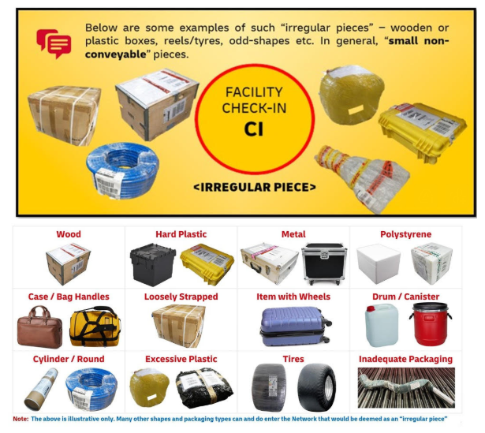
1 | Standard Weight & Terms & Conditions
 | Shipment Weight Restrictions
 | Service | Maximum Individual Per Box Weight | Maximum Individual Per Box Size | Duty-Free Value Limit | Delivery Time
 | DHL | 25 Kg | 100 x 80 x 80 cm | Duty may apply to any value | 5 to 7 Working Days

 |  | During check-in or re-weigh at DHL booking facilities, when the checkpoint remark Irregular Piece is applied
 |  | Even if dimensions and weight are within standard limits, the shape/ packaging can trigger IRR
 |  | Charge Rs. 1900/- per piece (Fuel Surcharge & GST applicable)- Billed to the shipper

2 | Prohibited & Restricted Contents for DHL
 | Not allow the following items for export:
 | 2.1 | Combination of liquids/gels and electronic items in the same parcel
 | 2.2 | Aerosols, perfumes, and aftershaves
 | 2.3 | Batteries (loose of any type), power banks, rechargeable wireless earbuds
 | 2.4 | Cash, cosmetics (EU only), nail polish
 | 2.5 | Credit/debit cards (activated and unactivated)
 | 2.6 | Foodstuffs (EU only), medications (EU only), paracetamol
 | 2.7 | Alcohol, cigarettes, narcotics, weapons
 | 2.8 | Hazardous and dangerous items
 | 2.9 | Human, animal, and plant materials
 | 2.10 | Pornography, loose precious and semi-precious stones
 | 2.11 | Jewelry, costume jewelry, watches, watch parts, and objects constructed of precious metal and/or stones
 | 2.12 | Powder Contents.

FOR WOODEN ITEMS NEED FUMIGATION CERTIFICATE
Electronic Items Allowed - DHL( But no combination of liquids/gels and electronic items in the same parcel )

3 | KYC Requirements for DHL
 | Shippers must provide one of the following KYC documents:
 | 3.1 | Aadhar Card
 | 3.2 | Pan Card
 | 3.3 | Voter ID
 | 3.4 | Passport

4 | One-Time Password (OTP) Requirement
 | As per DHL's policy, an OTP will be sent to the shipper's registered mobile number before processing the shipment.

5 | Invoice Format Requirements for DHL
 | Every shipment must include an invoice with the following details:
 | 5.1 | Shipper Name & Address
 | 5.2 | Receiver Name & Address
 | 5.3 | Invoice Number & Invoice Date
 | 5.4 | Full Description of Goods
 | 5.5 | Eight-Digit HSN Code
 | 5.6 | Number of Pieces
 | 5.7 | Currency & Unit Value
 | 5.8 | Total Value
 | 5.9 | Reason for Export
 | 5.10 | Shipper Signature & Date

6 | GIVEN RATES ARE INCLUSIVE OF FUEL SURCHARGES .
7 | CLIENT CAN DOWNLOAD GST INVOICE DIRECTLY FROM WEBSITE.

